PPIC
ID | VN Name | EN Name | Position | Job Description | Photo | Remark
S12467 | Lê Thị Kim Nga | Selena | QA Manager | 1. Apply and follow up QMS standard and requirement 2. Manage quality issues of factory and coordinate with each department 3. Evaluate and train QC/QA 4. Support QMS manager | 
S08399 | Lê Thị Trung |  | Production QC Supervisor | 1. Manage production QC team 2. Manage quality issues of sewing line and coordinate with production department 3. Support QA manager
S06466 | Đỗ Thị Thanh Thảo |  | QC Leader Cell 1 | 1. Manage production QC Cell 1 2. Manage quality issues of sewing line and coordinate with production department 3. Support Production QC Supervisor & QA manager | 
S10638 | Lê Thị Bích |  | QC Leader Cell 2 | 1. Manage production QC Cell 2 2. Manage quality issues of sewing line and coordinate with production department 3. Support Production QC Supervisor & QA manager | 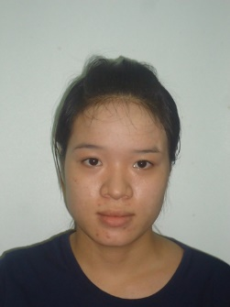 | Under training
S13319 | Nguyễn Thị Kim Ngân |  | QC Leader Cell 3 | 1. Manage production QC Cell 3 2. Manage quality issues of sewing line and coordinate with production department 3. Support Production QC Supervisor & QA manager
S13070 | Nguyễn Thị Giang |  | QC Leader Cell 4 | 1. Manage production QC Cell 4 2. Manage quality issues of sewing line and coordinate with production department 3. Support Production QC Supervisor & QA manager | 
S11418 | Võ Thị Thuỷ |  | QC Leader Cell 5 | 1. Manage production QC Cell 5 2. Manage quality issues of sewing line and coordinate with production department 3. Support Production QC Supervisor & QA manager | 
S0305 | Lê Thị Thùy Ngai |  | QA Packing | 1. Manage packingQC 2. Manage standard issues of packing and control quantity finished garment in the carton 3. Coordinate with each department | 
S08735 | Đặng Bội Thu |  | Clerk QC | 1. Provide trimcard, sample, BOM/Sketch/MN Notiec, tool of QC to production QC/QA 2. Collect report and Update all performance quality of QA, CFA and open carton report 3. Prepare OT sheet and all related documents of QA dept.
S00461 | Trần Thị Mai |  | QA - Lab | 1. Manage Lab QC 2. Conduct testing and evaluate material & finished garment base on customer's standard 3. Coordinate with each department
S08345 | Phạm Văn Điểng |  | QA - Cutting | 1. Manage Cutting QC 2. Inspect and evalute quality of cut part panel after cutting 3. Coordinate with each department
S00379 | Nguyễn Thị Kim Qui |  | QA - Fabric | 1. Manage fabric QC 2. Inspect and evalute quality of fabric 3. Coordinate with each department | 
S04093 | Phan Thị Kim Vi |  | QA - ACC | 1. Manage ACC QC 2. Inspect and evalute quality of ACC 3. Coordinate with each department
S02754 | Nguyễn Thị Mỹ Dung |  | QA - Printing | 1. Manage ACC QC 2. Inspect and evalute quality of Printing panel 3. Coordinate with printing subcon & each department
S08171 | Trần Đặng Thu Trang |  | TNF - CFA Leader | 1. Arrange job for TNF CFA team 2. Follow up quality issue related to TNF brand 3. Do inline inspection and final inspection based on buyer’s requirement 4. Train related department about TNF standard 5. Evaluate and train TNF CFA 6. Coordinate with each department 7. Support QMS manager | 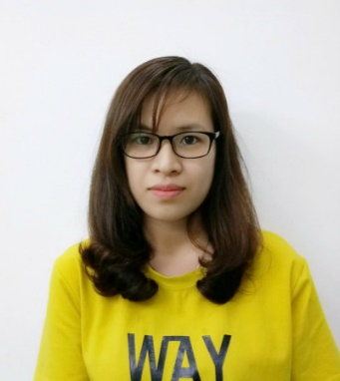
S07359 | Nguyễn Thị Thủy | Sally | TNF - REI Leader | 1. Arrange job for REI CFA team 2. Follow up quality issue related to REI brand 3. Do inline inspection and final inspection based on buyer’s requirement 4. Train related department about REI standard 5. Evaluate and train REI CFA 6. Coordinate with each department 7. Support QMS manager | 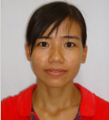
S08039 | Huỳnh Thị Ngọc Cẩn | Nancy | TNF - UA Leader | 1. Arrange job for UA CFA team 2. Follow up quality issue related to UA brand 3. Do inline inspection and final inspection based on buyer’s requirement 4. Train related department about UA standard 5. Evaluate and train UA CFA 6. Coordinate with each department 7. Support QMS manager | 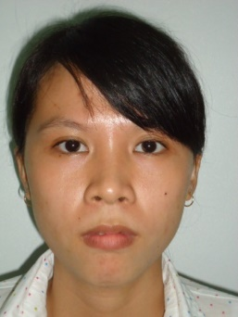
S12791 | Trần Thị Thùy | Anna | QMS Auditor | 1. Responsible for buyer quality audit and internal QC audit 2. Provide evaluation result of QA/QC/CFA 3. Prepare OT sheet and all related documents of QMS dept. 4. Update quality standards in server in time

